Sheet1
DATE | INV NO. | DESCRIPTIONS | AMOUNT | BILLS | PRICE | TOTAL | STATUS
2-Oct-2025 | INV/PERMAQ/25/10/0052 | Corona Beer | 24 | 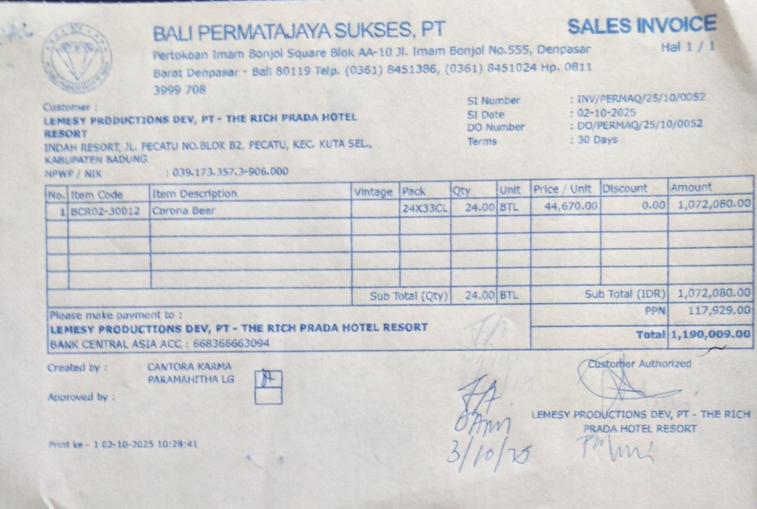 | IDR 44,670 | IDR 1,072,080
SUB TOTAL |  |  | 24 |  | PPN | Rp117,929
TOTAL |  |  |  | Rp1,190,009
10-Oct-2025 | INV/PERMAQ/25/10/0402 | Corona Beer | 24 | 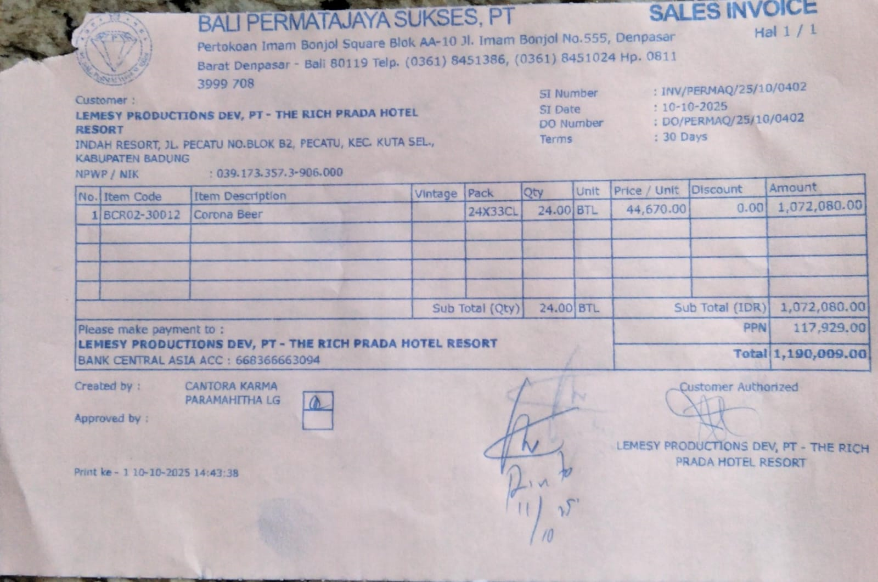 | IDR 44,670 | IDR 1,072,080
SUB TOTAL |  |  | 24 |  | PPN | Rp117,929
TOTAL |  |  |  | Rp1,190,009
13-Oct-2025 | INV/PERMAQ/25/10/0468 | Corona Beer | 24 | 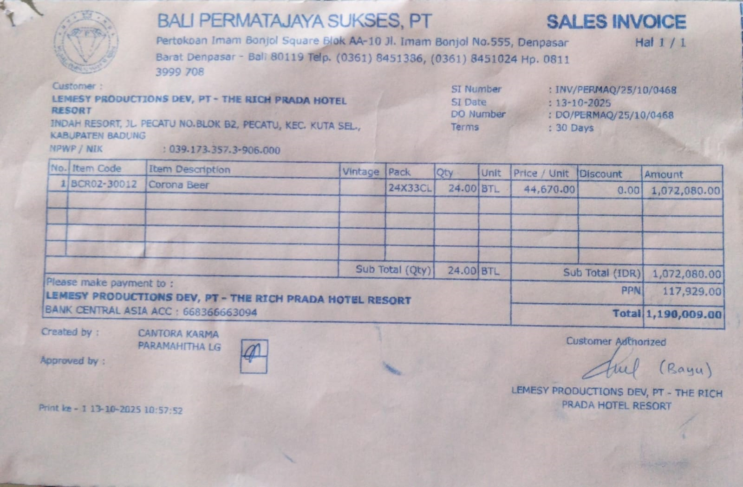 | IDR 44,670 | IDR 1,072,080
SUB TOTAL |  |  |  |  | PPN | Rp117,929
TOTAL |  |  |  | Rp1,190,009
2025-10-28 | INV/PERMAQ/25/10/0973 | Corona Beer | 24 | 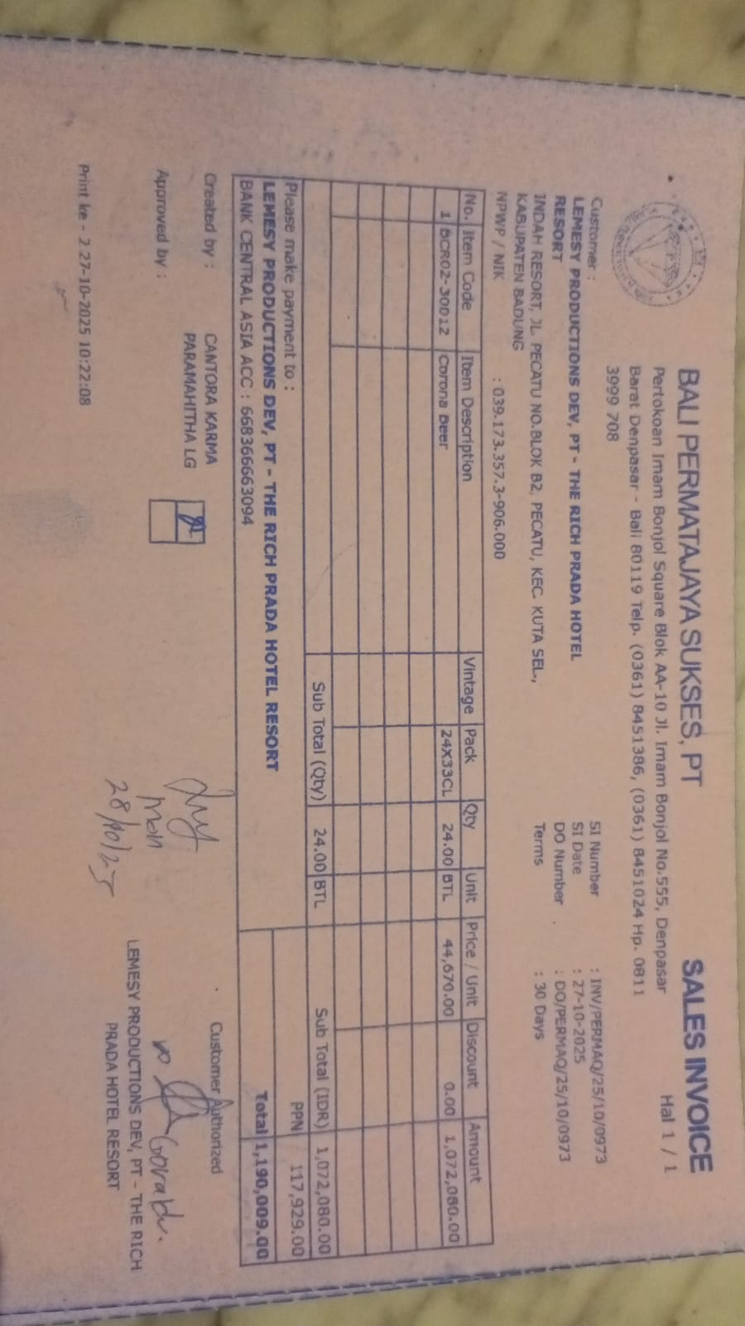 | IDR 44,670 | IDR 1,072,080
SUB TOTAL |  |  |  |  | PPN | Rp117,929
TOTAL |  |  |  | Rp1,190,009
GRAND TOTAL |  |  |  | Rp4,760,036

